Hemet Rarity
1894-1925 Head Harness Rarity Chart
 |  |  |  |  |  | 1894 | 1895 | 1896 | 1897 | 1898 | 1899 | 1900 | 1901 | 1902 | 1903 | 1904 | 1905 | 1906 | 1907 | 1908 | 1909 | 1910 | 1911 | 1912 | 1913 | 1914 | 1915 | 1916 | 1917 | 1918 | 1919 | 1920 | 1921 | 1922 | 1923 | 1924 | 1925
U.S. Population |  |  |  |  |  | 67,930,000 | 69,230,000 | 70,550,000 | 71,900,000 | 73,270,000 | 74,670,000 | 76,090,000 | 77,580,000 | 79,160,000 | 80,630,000 | 82,170,000 | 83,820,000 | 85,450,000 | 87,010,000 | 88,710,000 | 90,490,000 | 92,410,000 | 93,860,000 | 95,340,000 | 97,230,000 | 99,110,000 | 100,550,000 | 101,960,000 | 103,270,000 | 104,510,000 | 106,460,000 | 106,460,000 | 108,540,000 | 110,050,000 | 111,950,000 | 114,110,000 | 115,830,000
% Playing Population HS or College Football |  |  |  |  |  | 0.36% | 0.36% | 0.36% | 0.36% | 0.36% | 0.36% | 0.36% | 0.36% | 0.36% | 0.36% | 0.36% | 0.36% | 0.36% | 0.36% | 0.36% | 0.36% | 0.36% | 0.36% | 0.36% | 0.36% | 0.36% | 0.36% | 0.36% | 0.36% | 0.36% | 0.36% | 0.36% | 0.36% | 0.36% | 0.36% | 0.36% | 0.36%
Toal Number Playing H.S. Or College Football |  |  |  |  |  | 244,548 | 249,228 | 253,980 | 258,840 | 263,772 | 268,812 | 273,924 | 279,288 | 284,976 | 290,268 | 295,812 | 301,752 | 307,620 | 313,236 | 319,356 | 325,764 | 332,676 | 337,896 | 343,224 | 350,028 | 356,796 | 361,980 | 367,056 | 371,772 | 376,236 | 383,256 | 383,256 | 390,744 | 396,180 | 403,020 | 410,796 | 416,988
Frequency of Helmet Use by Players |  |  |  |  |  | 0.50% | 0.50% | 0.50% | 2.5% | 5% | 7.5% | 10% | 15% | 22.5% | 30% | 40% | 50% | 55% | 60% | 65% | 70% | 75% | 78.0% | 81% | 83% | 85% | 87.0% | 89% | 91.0% | 93% | 95.0% | 95% | 95% | 95% | 95% | 95% | 95%
% Wearers Purchasing New Helmet in Given Year |  |  |  |  |  | 50% | 50% | 50% | 50.0% | 50% | 50.0% | 50% | 50% | 50% | 50% | 50% | 50% | 50% | 50% | 50% | 50% | 50% | 50% | 50% | 50% | 50% | 50% | 50% | 50% | 50% | 50% | 50% | 50% | 50% | 50% | 50% | 50%
Estimated New Helmets Purchased by Year |  |  |  |  |  | 611 | 623 | 635 | 3,236 | 6,594 | 10,080 | 13,696 | 20,947 | 32,060 | 43,540 | 59,162 | 75,438 | 84,596 | 93,971 | 103,791 | 114,017 | 124,754 | 131,779 | 139,006 | 145,262 | 151,638 | 157,461 | 163,340 | 169,156 | 174,950 | 182,047 | 182,047 | 185,603 | 188,186 | 191,435 | 195,128 | 198,069
Helmet Style | Image | Rarity Index | Rarity Rank | Estimate of Total Production
Ear Protector | 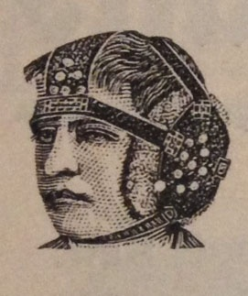 | 0.08% | 1 | 2,523 | % Marketshare | 100% | 100% | 100% | 10% | 5%
 |  |  |  |  | Annual Production Estimate | 611 | 623 | 635 | 324 | 330
4-Strap | 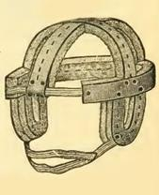 | 1.42% | 5 | 47,607 | % Marketshare |  |  |  | 90% | 90% | 80% | 40% | 20% | 15% | 15% | 10% | 5%
 |  |  |  |  | Annual Production Estimate |  |  |  | 2,912 | 5,935 | 8,064 | 5,478 | 4,189 | 4,809 | 6,531 | 5,916 | 3,772
Improved Head Harness |  `` | 0.83% | 4 | 27,689 | % Marketshare |  |  |  |  |  | 10% | 40% | 40% | 40%
 |  |  |  |  | Annual Production Estimate |  |  |  |  |  | 1,008 | 5,478 | 8,379 | 12,824
Aviator | 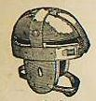 | 8.55% | 9 | 285,912 | 10 |  |  |  |  | 5% | 10% | 20% | 20% | 30% | 30% | 30% | 25% | 20% | 15% | 15% | 15% | 15% | 15% | 15% | 15% | 10% | 10% | 10% | 5% | 5% | 5%
 |  |  |  |  | Annual Production Estimate |  |  |  |  | 330 | 1,008 | 2,739 | 4,189 | 9,618 | 13,062 | 17,749 | 18,860 | 16,919 | 14,096 | 15,569 | 17,103 | 18,713 | 19,767 | 20,851 | 21,789 | 15,164 | 15,746 | 16,334 | 8,458 | 8,747 | 9,102
Chicago Head Harness | 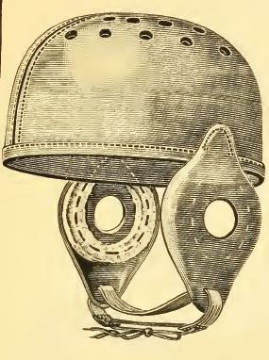 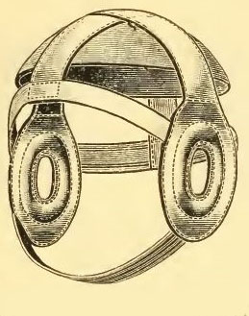 | 0.40% | 3 | 13,352 | % Marketshare |  |  |  |  |  |  |  | 20% | 15% | 10%
 |  |  |  |  | Annual Production Estimate |  |  |  |  |  |  |  | 4,189 | 4,809 | 4,354
Pneumatic/Inflatable | 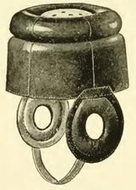 | 0.15% | 2 | 5,135 | % Marketshare |  |  |  |  |  |  |  |  |  | 5% | 5%
 |  |  |  |  | Annual Production Estimate |  |  |  |  |  |  |  |  |  | 2,177 | 2,958
Raincap | 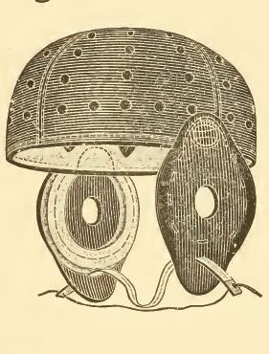 | 11.67% | 13 | 390,157 | % Marketshare |  |  |  |  |  |  |  |  |  | 40% | 30% | 30% | 30% | 25% | 25% | 25% | 25% | 25% | 20% | 15% | 15% | 15% | 10% | 10% | 10% | 5% | 5%
 |  |  |  |  | Annual Production Estimate |  |  |  |  |  |  |  |  |  | 17,416 | 17,749 | 22,631 | 25,379 | 23,493 | 25,948 | 28,504 | 31,188 | 32,945 | 27,801 | 21,789 | 22,746 | 23,619 | 16,334 | 16,916 | 17,495 | 9,102 | 9,102
8-Spoke | 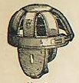 | 9.99% | 10 | 334,012 | % Marketshare |  |  |  |  |  |  |  |  |  |  |  | 10% | 20% | 20% | 20% | 20% | 20% | 20% | 20% | 20% | 10% | 10% | 10% | 10% | 5% | 5% | 5% | 5% | 5% | 5% | 5% | 5%
 |  |  |  |  | Annual Production Estimate |  |  |  |  |  |  |  |  |  |  |  | 7,544 | 16,919 | 18,794 | 20,758 | 22,803 | 24,951 | 26,356 | 27,801 | 29,052 | 15,164 | 15,746 | 16,334 | 16,916 | 8,747 | 9,102 | 9,102 | 9,280 | 9,409 | 9,572 | 9,756 | 9,903
Flattop | 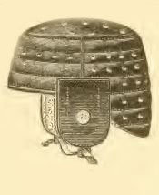 | 24.25% | 14 | 810,566 | % Marketshare |  |  |  |  |  |  |  |  |  |  | 25% | 30% | 30% | 30% | 30% | 35% | 35% | 35% | 30% | 30% | 30% | 25% | 25% | 25% | 25% | 25% | 25% | 25% | 25% | 25% | 10% | 5%
 |  |  |  |  | Annual Production Estimate |  |  |  |  |  |  |  |  |  |  | 14,791 | 22,631 | 25,379 | 28,191 | 31,137 | 39,906 | 43,664 | 46,123 | 41,702 | 43,578 | 45,491 | 39,365 | 40,835 | 42,289 | 43,737 | 45,512 | 45,512 | 46,401 | 47,046 | 47,859 | 19,513 | 9,903
Boy's 4-Strap | 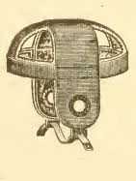 | 2.53% | 6 | 84,597 | % Marketshare |  |  |  |  |  |  |  |  |  |  |  |  |  | 10% | 10% | 5% | 5% | 5% | 5% | 5% | 5% | 5% | 5% | 5%
 |  |  |  |  | Annual Production Estimate |  |  |  |  |  |  |  |  |  |  |  |  |  | 9,397 | 10,379 | 5,701 | 6,238 | 6,589 | 6,950 | 7,263 | 7,582 | 7,873 | 8,167 | 8,458
Harvard Style Flattop | 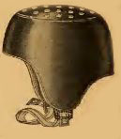 | 5.90% | 7 | 197,191 | % Marketshare |  |  |  |  |  |  |  |  |  |  |  |  |  |  |  |  |  |  |  |  |  | 5% | 10% | 10% | 15% | 15% | 15% | 15% | 15% | 10%
 |  |  |  |  | Annual Production Estimate |  |  |  |  |  |  |  |  |  |  |  |  |  |  |  |  |  |  |  |  |  | 7,873 | 16,334 | 16,916 | 26,242 | 27,307 | 27,307 | 27,841 | 28,228 | 19,143
Princeton Style | 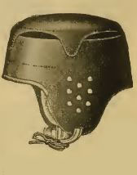 | 6.87% | 8 | 229,665 | % Marketshare |  |  |  |  |  |  |  |  |  |  |  |  |  |  |  |  |  |  |  | 5% | 5% | 10% | 10% | 10% | 15% | 15% | 15% | 15% | 15% | 10% | 5%
 |  |  |  |  | Annual Production Estimate |  |  |  |  |  |  |  |  |  |  |  |  |  |  |  |  |  |  |  | 7,263 | 7,582 | 15,746 | 16,334 | 16,916 | 26,242 | 27,307 | 27,307 | 27,841 | 28,228 | 19,143 | 9,756
Dog Ear | 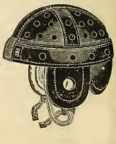 | 22.64% | 15 | 756,878 | % Marketshare |  |  |  |  |  |  |  |  |  |  |  |  |  |  |  |  |  |  | 10% | 10% | 25% | 20% | 20% | 25% | 25% | 30% | 35% | 40% | 40% | 50% | 50% | 40%
 |  |  |  |  | Annual Production Estimate |  |  |  |  |  |  |  |  |  |  |  |  |  |  |  |  |  |  | 13,901 | 14,526 | 37,910 | 31,492 | 32,668 | 42,289 | 43,737 | 54,614 | 63,716 | 74,241 | 75,274 | 95,717 | 97,564 | 79,228
`

